CMMAAF_30th June 2026
Capitalmind Mutual Fund
SCHEME NAME : | Capitalmind Multi Asset Allocation Fund (An open-ended scheme investing in equity and equity related instruments, debt and money market instruments, Commodities including Exchange Traded Commodity Derivatives)
INCEPTION DATE : | March 16, 2026
MONTHLY PORTFOLIO STATEMENT AS ON : | June 30, 2026

Name of the Instrument / Issuer | ISIN | Rating / Industry^ | Quantity | Market value (Rs. in Lakhs) | % to NAV | YTM% | YTC%*
Equity & Equity related
(a) Listed / awaiting listing on Stock Exchanges
JB Chemicals & Pharmaceuticals Limited | INE572A01036 | Pharmaceuticals & Biotechnology | 5,209 | 119.59 | 3.21%
Indian Bank | INE562A01011 | Banks | 13,365 | 109.15 | 2.93%
Bank of India | INE084A01016 | Banks | 75,324 | 105.75 | 2.84%
Power Finance Corporation Limited | INE134E01011 | Finance | 24,828 | 105.35 | 2.82%
Petronet LNG Limited | INE347G01014 | Gas | 34,480 | 96.82 | 2.60%
Bank of Maharashtra | INE457A01014 | Banks | 105,856 | 96.79 | 2.60%
Lupin Limited | INE326A01037 | Pharmaceuticals & Biotechnology | 3,935 | 95.19 | 2.55%
Tata Steel Limited | INE081A01020 | Ferrous Metals | 46,614 | 87.66 | 2.35%
Axis Bank Limited | INE238A01034 | Banks | 5,999 | 80.73 | 2.16%
Zydus Lifesciences Limited | INE010B01027 | Pharmaceuticals & Biotechnology | 7,214 | 80.26 | 2.15%
Marico Limited | INE196A01026 | Agricultural Food & other Products | 9,290 | 77.69 | 2.08%
Hindalco Industries Limited | INE038A01020 | Non - Ferrous Metals | 7,785 | 74.47 | 2.00%
Canara Bank | INE476A01022 | Banks | 58,757 | 73.75 | 1.98%
Infosys Limited | INE009A01021 | IT - Software | 7,304 | 73.07 | 1.96%
Bajaj Auto Limited | INE917I01010 | Automobiles | 751 | 72.97 | 1.96%
NMDC Limited | INE584A01023 | Minerals & Mining | 83,920 | 71.47 | 1.92%
Sun Pharmaceutical Industries Limited | INE044A01036 | Pharmaceuticals & Biotechnology | 3,698 | 68.88 | 1.85%
Torrent Pharmaceuticals Limited | INE685A01028 | Pharmaceuticals & Biotechnology | 1,463 | 67.59 | 1.81%
JSW Steel Limited | INE019A01038 | Ferrous Metals | 5,283 | 64.79 | 1.74%
Hero MotoCorp Limited | INE158A01026 | Automobiles | 1,298 | 62.23 | 1.67%
Indus Towers Limited | INE121J01017 | Telecom - Services | 15,573 | 61.00 | 1.64%
Bank of Baroda | INE028A01039 | Banks | 21,447 | 58.42 | 1.57%
Union Bank of India | INE692A01016 | Banks | 32,626 | 56.26 | 1.51%
Vedanta Aluminium Metal Limited | INE1CDF01017 | Non - Ferrous Metals | 11,176 | 50.12 | 1.34%
Coal India Limited | INE522F01014 | Consumable Fuels | 11,370 | 49.92 | 1.34%
State Bank of India | INE062A01020 | Banks | 4,476 | 45.96 | 1.23%
Oil & Natural Gas Corporation Limited | INE213A01029 | Oil | 14,886 | 34.97 | 0.94%
Vedanta Limited | INE205A01025 | Diversified Metals | 11,176 | 31.38 | 0.84%
Vedanta Oil and Gas Ltd | INE704J01044 | Oil | 11,176 | 3.60 | 0.10%
Sub Total |  |  |  | 2,075.83 | 55.69%
(b) Unlisted |  |  |  | NIL | NIL
Sub Total |  |  |  | NIL | NIL
Total |  |  |  | 2,075.83 | 55.69%

Debt Instruments
(a) Listed / awaiting listing on Stock Exchange
7.58% National Bank For Agriculture and Rural Development (31/07/2026) | INE261F08DX0 | CRISIL AAA | 250 | 250.09 | 6.71% | 6.69%
Sub Total |  |  |  | 250.09 | 6.71%
(b) Privately placed / Unlisted |  |  |  | NIL | NIL
Sub Total |  |  |  | NIL | NIL
Total |  |  |  | 250.09 | 6.71%

Money Market Instruments
Treasury Bill
364 Days Tbill (MD 25/12/2026) | IN002025Z393 | Sovereign | 150,000 | 146.17 | 3.92% | 5.41%
Sub Total |  |  |  | 146.17 | 3.92%
Certificate of Deposit
Punjab National Bank (15/09/2026) ** # | INE160A16UT0 | CARE A1+ | 40 | 197.44 | 5.29% | 6.22%
Sub Total |  |  |  | 197.44 | 5.29%
Total |  |  |  | 343.61 | 9.21%

Others
Exchange Traded Funds
Mirae Asset Gold ETF | INF769K01JP9 |  | 151,972 | 207.20 | 5.56%
Mirae Asset Silver ETF | INF769K01KG6 |  | 78,023 | 168.99 | 4.53%
Nippon India ETF Gold Bees | INF204KB17I5 |  | 100,440 | 116.48 | 3.12%
Kotak Silver ETF | INF174KA1ZD3 |  | 391,085 | 84.32 | 2.26%
Sub Total |  |  |  | 576.99 | 15.47%
Mutual Fund Units
Capitalmind Liquid Fund - Direct-Growth | INF226401034 |  | 16,545 | 172.06 | 4.61%
Sub Total |  |  |  | 172.06 | 4.61%
Total |  |  |  | 749.05 | 20.08%

Reverse Repo / TREPS
Clearing Corporation of India Ltd |  |  |  | 224.40 | 6.02% | 5.47%
Sub Total |  |  |  | 224.40 | 6.02%
(b) Privately placed / Unlisted |  |  |  | NIL | NIL
Sub Total |  |  |  | NIL | NIL
Total |  |  |  | 224.40 | 6.02%
Net Receivables / (Payables) |  |  |  | 86.46 | 2.29%
GRAND TOTAL |  |  |  | 3729.44 | 100.00%

Details of Commodity Future / Index Future
Long/Short | Name of the Instrument | Industry | Quantity. | Market/Fair Value (Rs. in Lacs). | % to NAV.
Long | FUTCOM_ALUMINI_31/07/2026 | Others | 51,000 | 168.20 | 4.51%

Notes & Symbols :-
** Thinly Traded Securities/Non Traded Securities
# Unlisted Security
**# Both Thinly Traded Securities/Non Traded Securities and Unlisted securities
^ -> Industry classification as recommended by AMFI and wherever not available, internal classification has been used.
* YTC represents Yield to Call. It is disclosed for Perpetual Bond issued by Banks (i.e. AT-1 Bond / Tier 1 Bond / Tier 2 Bond), as per AMFI Best Practices Guidelines Circular no. 91/2020-21 dated March 24, 2021 on Valuation of AT-1 Bonds and Tier 2 Bonds.

Notes:
1. There is no security which is in default beyond its maturity / Interest payment date.
2. Aggregate value of illiquid equity shares of the fund amounts to Rs. Nil and their percentage to Net Asset value: | NIL
3. NAV at the beginning of the period
Scheme | NAV | Date
CAPITALMIND MULTI ASSET ALLOCATION FUND - Direct Plan - Growth Option | 10.2682 | 2026-05-29
CAPITALMIND MULTI ASSET ALLOCATION FUND - Regular Plan - Growth Option | 10.2372 | 2026-05-29
CAPITALMIND MULTI ASSET ALLOCATION FUND - Direct Plan IDCW | 10.2682 | 2026-05-29
CAPITALMIND MULTI ASSET ALLOCATION FUND - Regular Plan IDCW | 10.2372 | 2026-05-29
NAV at the end of the period
Scheme | NAV | Date
CAPITALMIND MULTI ASSET ALLOCATION FUND - Direct Plan - Growth Option | 9.7994 | 2026-06-30
CAPITALMIND MULTI ASSET ALLOCATION FUND - Regular Plan - Growth Option | 9.7571 | 2026-06-30
CAPITALMIND MULTI ASSET ALLOCATION FUND - Direct Plan IDCW | 9.7994 | 2026-06-30
CAPITALMIND MULTI ASSET ALLOCATION FUND - Regular Plan IDCW | 9.7571 | 2026-06-30
4. Dividend declared during the month ended June 30, 2026 | NIL
5. Total Market value of investments in Foreign Securities /American Depository Receipts/Global Depository Receipts as at June 30, 2026 : | NIL
6. Exposure to derivative instrument at the end of the month is (value in Lacs) | 168.2
A. Hedging positions through futures as on June 30, 2026
Underlying | Long/ short | Futures price when purchased | Current price of the contract | Margin maintained in Rs. Lakhs

Total percentage of existing assets hedged through futures: | NIL
For the period ended June 30, 2026, following details specified for hedging transactions through futures which have been squared off/ expired:
Total number of contracts where futures were bought: | NIL
Total number of contracts where futures were sold: | NIL
Gross notional value of contracts where futures were bought: | NIL
Gross notional value of contracts where futures were Sold: | NIL
Net profit/ (loss) value on all contracts combined: | NIL
B. Other than hedging positions through futures as on June 30, 2026
Underlying | Long/ short | Futures price when purchased | Current price of the contract | Margin maintained in Rs. Lakhs

Total exposure due to futures (non hedging positions) as a percentage of net assets: | NIL
For the period ended June 30, 2026, following details specified for non-hedging transactions through futures which have been squared off/ expired:
Total number of contracts where futures were bought: | NIL
Total number of contracts where futures were sold: | NIL
Gross notional value of contracts where futures were bought: | NIL
Gross notional value of contracts where futures were Sold: | NIL
Net profit/ (loss) value on all contracts combined: | NIL
C. Hedging positions through put options as on June 30, 2026
Underlying | Long/ short | Futures price when purchased | Current price of the contract

Total percentage of existing assets hedged through put options: | NIL
For the period ended June 30, 2026, following details specified for hedging transactions through put options which have already been exercised/ expired:
Total number of contracts entered into: | NIL
Gross notional value of contracts: Rs. | NIL
Net profit/ (loss) on all contracts (premium paid treated as (loss)): Rs. | NIL
D. Hedging positions through call options as on June 30, 2026
Underlying | Long/ short | Futures price when purchased | Current price of the contract

Total percentage of existing assets hedged through put options:
For the period ended June 30, 2026, following details specified for hedging transactions through put options which have already been exercised/ expired:
Total number of contracts entered into: | NIL
Gross notional value of contracts: | NIL
Net profit/ (loss) on all contracts (premium paid treated as (loss)): | NIL
E. Other than hedging positions through options as on June 30, 2026
Underlying | Call/ put | Number of contracts | Option price when purchased | Current price

Total exposure through options (non hedging positions) as a percentage of net assets: | NIL
For the period ended June 30, 2026, following details specified for non-hedging transactions through options which have already been exercised/ expired:
Total number of contracts entered into: | NIL
Gross notional value of contracts: | NIL
Net profit/ (loss) on all contracts (premium paid treated as (loss)): | NIL
F. Hedging positions through swaps as on June 30, 2026 - Nil
G. Details of Other than Hedging posting in Commodity Future as on June 30, 2026
Underlying | Long/ short | Futures price when purchased | Current price of the contract | Margin maintained in Rs. Lakhs
Future Commodity ALUMINI July 2026 | Long | 383.6558451 | 329.8 | 103.64
For the period ended June 30, 2026, following details specified for hedging transactions through Commodity futures which have been squared off/ expired:
Total number of contracts where futures were bought: | NIL
Total number of contracts where futures were sold: | NIL
Gross notional value of contracts where futures were bought: | NIL
Gross notional value of contracts where futures were Sold: | NIL
Net profit/ (loss) value on all contracts combined: | NIL
8. Portfolio Turnover Ratio | 0.13 Times
9. Total outstanding exposure of Repo transactions in corporate debt securities as on June 30, 2026 is Nil. Details of investment of repo transactions in corporate debt securities during Month ended June 30, 2026 is/are as follows:
Counterparty | Investment value (Rs. in Lakhs) | Trade date | Maturity date | % to net assets

10. Total Exposure to illiquid securities | NIL
11. Instances of fair valuation of Securities or Deviation in valuation from what is provided by valuation agencies | NIL
12. Bonus declared during the period ended June 30, 2026 | NIL
13. Deviation in the mandated asset allocation pursuant to SEBI Circular SEBI/HO/IMD/IMD-PoD-1/P/CIR/2024/90 dated June 27, 2024 | NIL

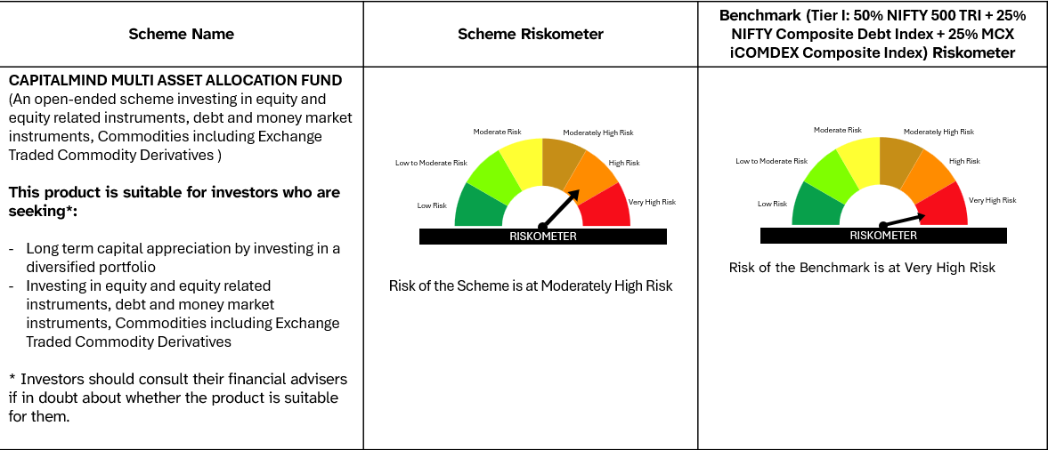
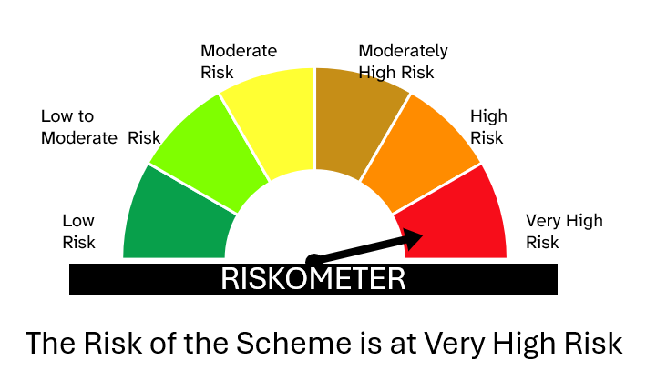
Product Labelling:#

# Please note that the above risk-o-meter is as per the product labelling of the scheme available as on the date of this communication/ disclosure. Visit our website for latest Riskometer updates at https://capitalmindmf.com

